Application Data Requirements
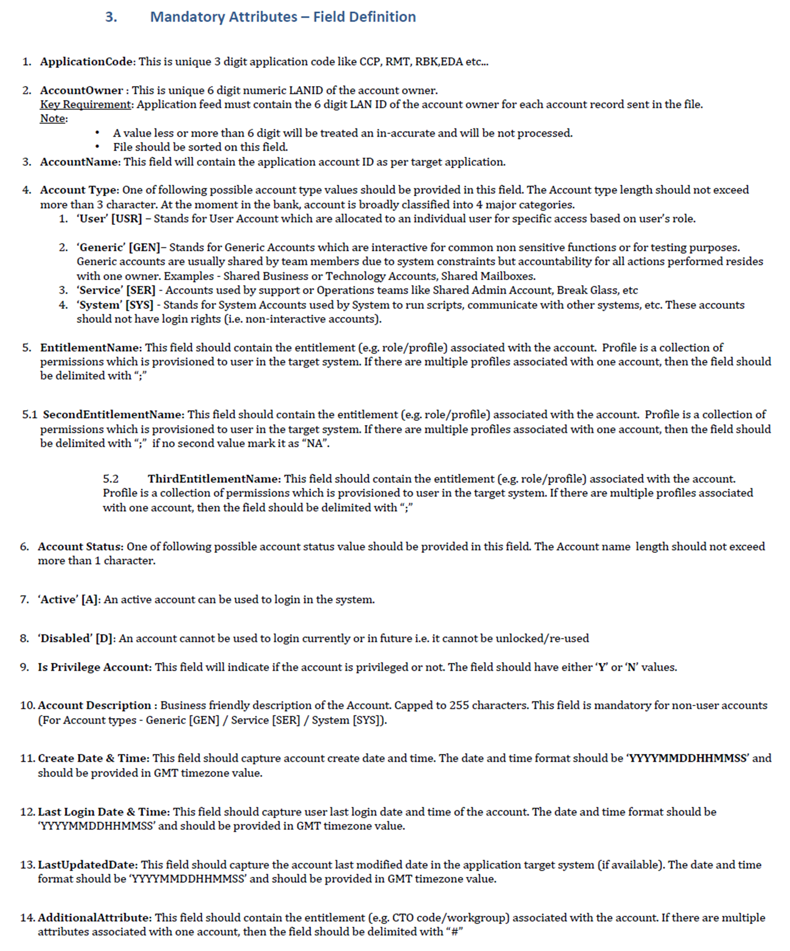
Field Name | Mandatory | Max Length | Field format | Remarks
ApplicationCode | Mandatory | 3 | Alpha | Unique 3 digit application code Ex: CCP, RMT,RBK etc..
AccountOwner | Mandatory | 7 | Numeric | Unique 6 Digit LAN ID of the account owner
AccountName | Mandatory | 100 | Alpha-Numeric | Unique Application Account ID / Name used by users to login to the application (case sensitive)
AccountType | Mandatory | 3 | Alpha-Numeric | User [USR] / Generic [GEN] / Service [SER] / System [SYS] (non-case sensitive)
EntitlementName | Mandatory | Multivalued | Alpha-Numeric | Application entitlement values.
SecondEntitlementName | Optional | Multivalued | Alpha-Numeric | Additional Application entitlement values. If no additional value mark it as “NA”.
ThirdEntitlementName | Optional | Multivalued | Alpha-Numeric | Additional Application entitlement values. If no additional value mark it as “NA”.
AccountStatus | Mandatory | 1 | Alpha-Numeric | Active / Disabled / Locked / Deleted status
IsPrivileged | Mandatory | 1 | Alpha-Numeric | Defines if account is privileged. ‘yes’ [Y] or ‘no’ [N] value (non-case sensitive)
AccountDescription | Optional | 255 | Alpha-Numeric | Business friendly description of the Account. Account description is mandatory for non-user accounts.
CreateDate | Optional | 14 | Numeric (YYYYMMDDHHMMSS) | Date on which account was created.
LastLogin | Mandatory | 14 | Numeric (YYYYMMDDHHMMSS) | Last date and time the account was used.
LastUpdatedDate | Optional | 14 | Numeric (YYYYMMDDHHMMSS) | Last modified date of account (if available in application).
AdditionalAttribute | Optional | 1000 | Alpha-Numeric | Additional access related attributes delimited with “#’

